Collected Trials
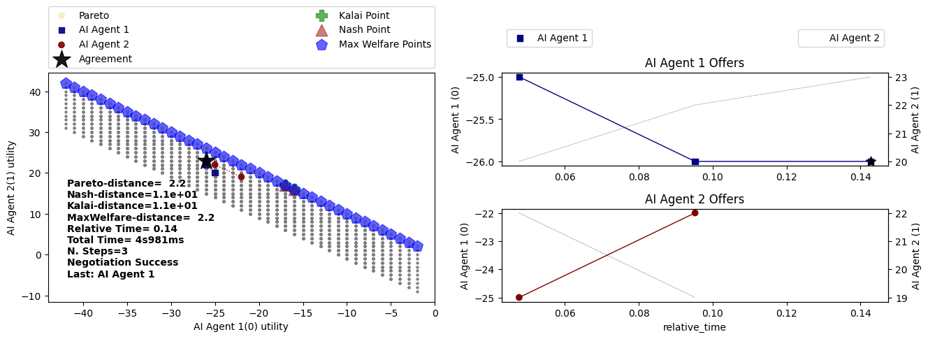
Human Buyer vs AI Seller |  |  |  |  |  |  | AI Buyer vs Human Seller |  |  |  |  |  |  | Human Buyer vs Human Seller |  |  |  |  |  |  | AI Buyer vs AI Seller

Run 1 |  |  |  |  |  |  | Run 1 |  |  |  |  |  |  | Run 1 |  |  |  |  |  |  | Run 1
 | Human - Buyer |  |  | AI - Seller |  |  |  | AI - Buyer |  |  | Human - Seller |  |  |  | Human - Buyer |  |  | Human - Seller |  |  |  | AI - Buyer |  |  | AI - Seller
Step | Price | Quantity | Delivery Time | Price | Quantity | Delivery Time | Step | Price | Quantity | Delivery Time | Price | Quantity | Delivery Time | Step | Price | Quantity | Delivery Time | Price | Quantity | Delivery Time | Step | Price | Quantity | Delivery Time | Price | Quantity | Delivery Time
1 | 1 | 10 | 0 |  |  |  | 1 | 20 | 5 | 2 |  |  |  | 1 | 5 | 8 | 3 |  |  |  | 1 | 20 | 5 | 5
2 |  |  |  | 20 | 8 | 5 | 2 |  |  |  | 27 | 8 | 3 | 2 |  |  |  | 18 | 8 | 2 | 2 |  |  |  | 25 | 8 | 4
3 | 1 | 10 | 0 |  |  |  | 3 | 25 | 6 | 2 |  |  |  | 3 | 15 | 8 | 2 |  |  |  | 3 | 22 | 7 | 3
4 |  |  |  | 15 | 8 | 3 |  |  |  |  |  |  |  | 4 |  |  |  | 16 | 9 | 1 | 4 |  |  |  | 24 | 9 | 2
 | Accepted |  |  |  |  |  |  |  |  |  |  |  |  |  | Accepted |  |  |  |  |  | 5 | 20 | 8 | 3
 |  |  |  |  |  |  |  |  | Price | Quantity | Delivery Time |  |  |  |  |  |  |  |  |  | 6 |  |  |  | 23 | 10 | 2
 |  | Price | Quantity | Delivery Time |  |  |  | Final outcome: | 25 | 6 | 2 |  |  |  |  | Price | Quantity | Delivery Time |  |  |  | Accepted
 | Final outcome: | 15 | 8 | 3 |  |  |  |  |  |  |  |  |  |  | Final outcome: | 16 | 9 | 1
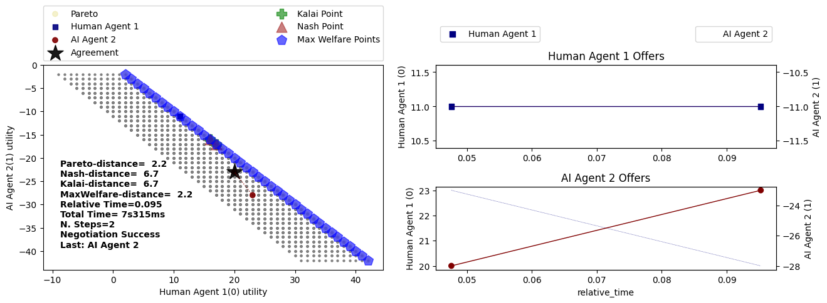
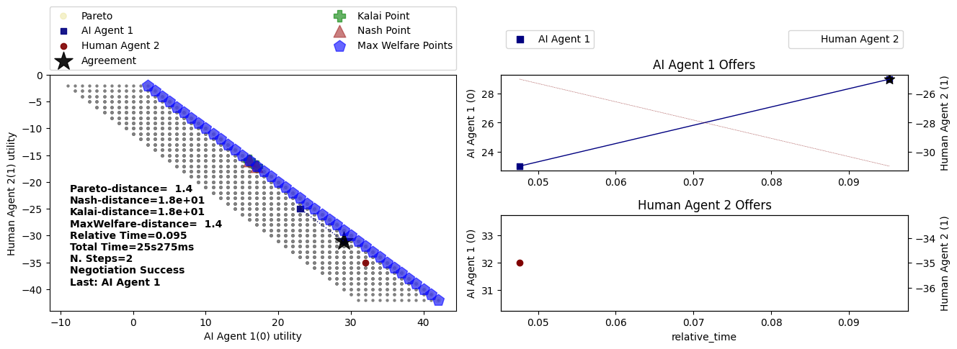
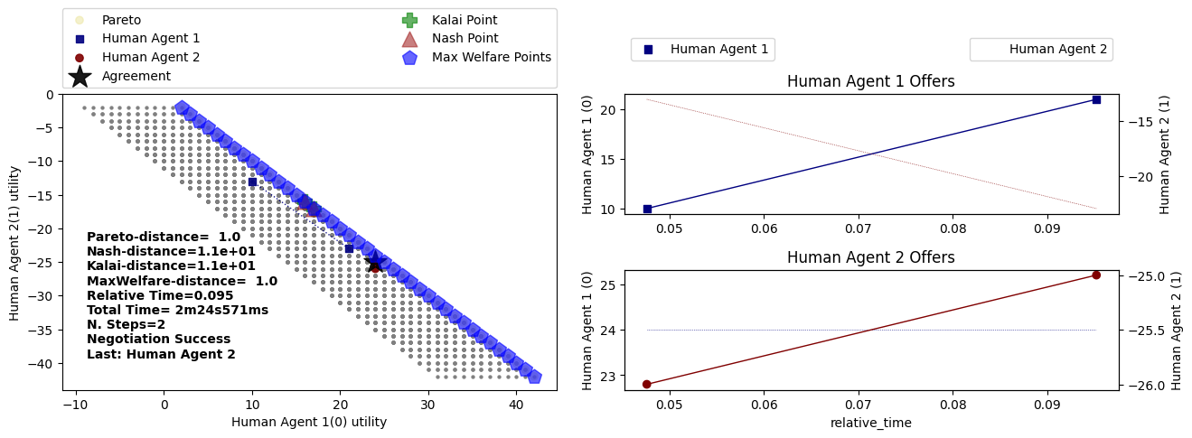
 |  |  |  |  |  |  |  |  |  |  |  |  |  |  |  |  |  |  |  |  |  |  | Price | Quantity | Delivery Time
 |  |  |  |  |  |  |  |  |  |  |  |  |  |  |  |  |  |  |  |  |  | Final outcome: | 23 | 10 | 2
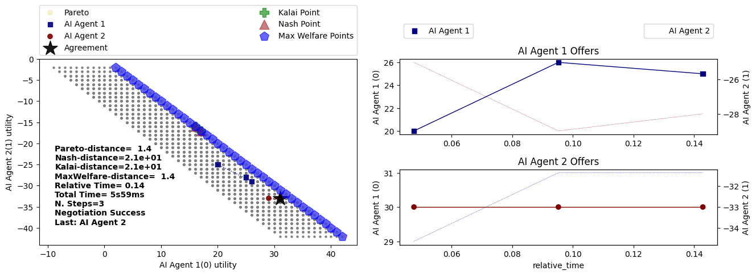

Run 2 |  |  |  |  |  |  | Run 2 |  |  |  |  |  |  | Run 2 |  |  |  |  |  |  | Run 2
 | Human - Buyer |  |  | AI - Seller |  |  |  | AI - Buyer |  |  | Human - Seller |  |  |  | Human - Buyer |  |  | Human - Seller |  |  |  | AI - Buyer |  |  | AI - Seller
Step | Price | Quantity | Delivery Time | Price | Quantity | Delivery Time | Step | Price | Quantity | Delivery Time | Price | Quantity | Delivery Time | Step | Price | Quantity | Delivery Time | Price | Quantity | Delivery Time | Step | Price | Quantity | Delivery Time | Price | Quantity | Delivery Time
1 | 5 | 8 | 3 |  |  |  | 1 | 20 | 8 | 5 |  |  |  | 1 | 10 | 9 | 4 |  |  |  | 1 | 20 | 5 | 5
2 |  |  |  | 8 | 10 | 2 | 2 |  |  |  | 25 | 8 | 7 | 2 |  |  |  | 25 | 10 | 6 | 2 |  |  |  | 25 | 8 | 3
3 |  |  |  |  |  |  | 3 | 22 | 8 | 6 |  |  |  | 3 | 15 | 10 | 5 |  |  |  | 3 | 22 | 6 | 4
4 |  |  |  |  |  |  | 4 |  |  |  | 24 | 10 | 6 | 4 |  |  |  | 24 | 10 | 6 | 4 |  |  |  | 24 | 8 | 3
 | Accepted |  |  |  |  |  | 5 | 20 | 9 | 5 |  |  |  | 5 | 18 | 6 | 10 |  |  |  | 5 | 21 | 7 | 2
 |  |  |  |  |  |  | 6 |  |  |  | 23 | 8 | 5 | 6 |  |  |  | 23 | 10 | 4 | 6 |  |  |  | 23 | 9 | 4
 |  | Price | Quantity | Delivery Time |  |  |  | Accepted |  |  |  |  |  | 7 | 19 | 10 | 6 |  |  |  | 7 | 20 | 8 | 3
 | Final outcome: | 8 | 10 | 2 |  |  |  |  |  |  |  |  |  | 8 |  |  |  | 23 | 10 | 7 |  |  |  |  | Accepted
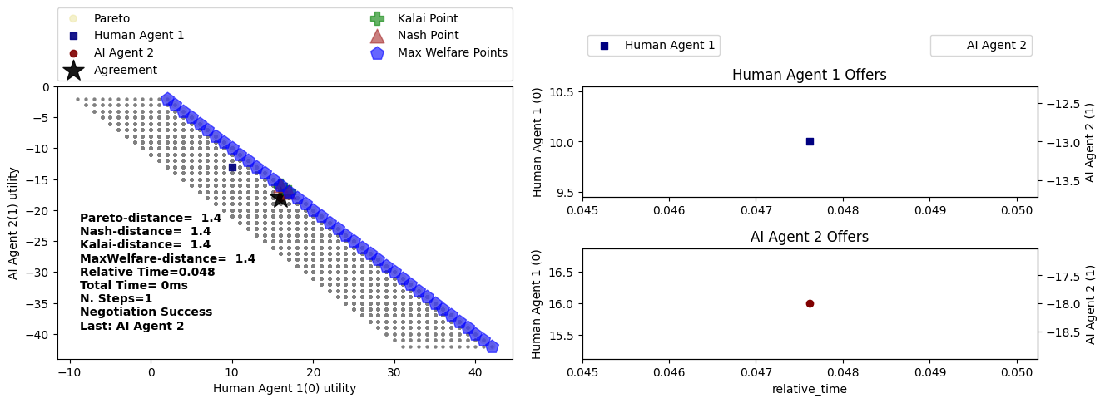
 |  |  |  |  |  |  |  |  | Price | Quantity | Delivery Time |  |  | 9 | 20 | 10 | 4
 |  |  |  |  |  |  |  | Final outcome: | 23 | 8 | 5 |  |  |  |  |  |  | Accepted |  |  |  |  | Price | Quantity | Delivery Time
 |  |  |  |  |  |  |  |  |  |  |  |  |  |  |  |  |  |  |  |  |  | Final outcome: | 20 | 8 | 3
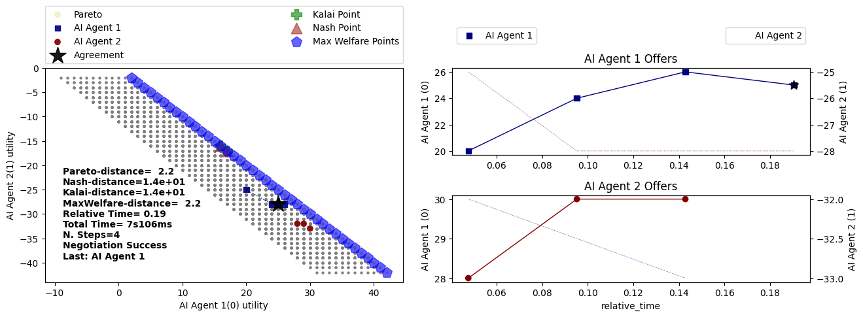
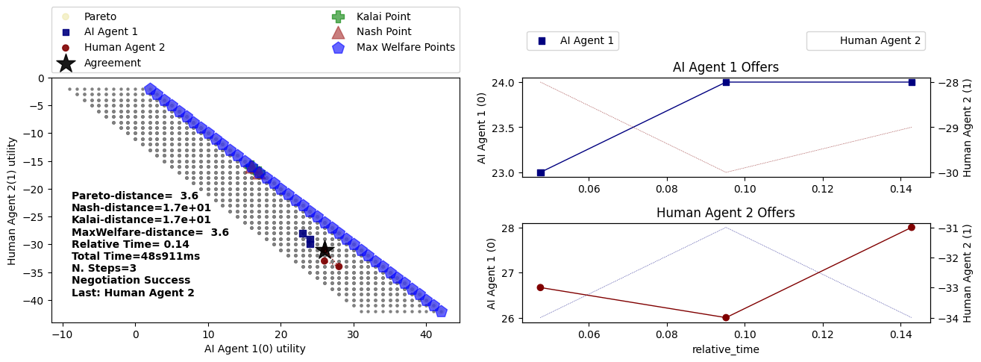
 |  |  |  |  |  |  |  |  |  |  |  |  |  |  |  | Price | Quantity | Delivery Time
 |  |  |  |  |  |  |  |  |  |  |  |  |  |  | Final outcome: | 20 | 10 | 4

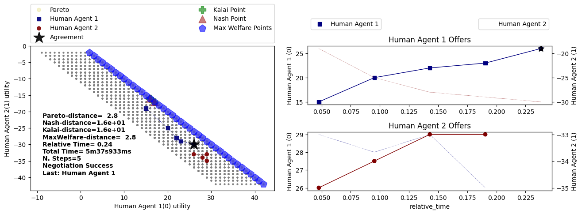

Run 3
 | Human - Buyer |  |  | AI - Seller
Step | Price | Quantity | Delivery Time | Price | Quantity | Delivery Time
1 | 3 | 10 | 1
2 |  |  |  | 5 | 8 | 2 |  |  |  |  |  |  |  |  |  |  |  |  |  |  | Run 3
 | Accepted |  |  |  |  |  | Run 3 |  |  |  |  |  |  |  |  |  |  |  |  |  |  | AI - Buyer |  |  | AI - Seller
 |  | Price | Quantity | Delivery Time |  |  |  | AI - Buyer |  |  | Human - Seller |  |  |  |  |  |  |  |  |  | Step | Price | Quantity | Delivery Time | Price | Quantity | Delivery Time
 | Final outcome: | 5 | 10 | 2 |  |  | Step | Price | Quantity | Delivery Time | Price | Quantity | Delivery Time |  |  |  |  |  |  |  | 1 |  |  |  | 25 | 8 | 5
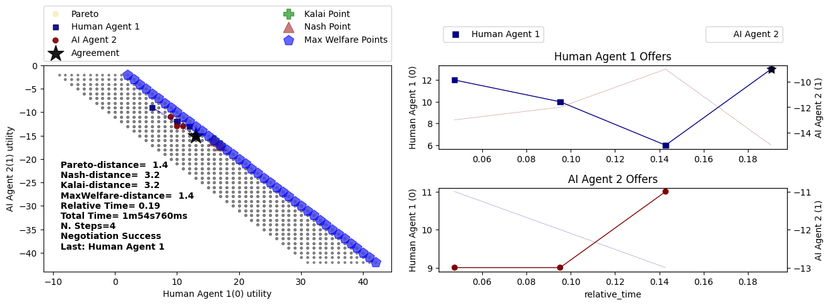
 |  |  |  |  |  |  | 1 | 25 | 5 | 5 |  |  |  | Run 3 |  |  |  |  |  |  | 2 | 20 | 10 | 3
 |  |  |  |  |  |  | 2 |  |  |  | 25 | 8 | 6 |  | Human - Buyer |  |  | Human - Seller |  |  | 3 |  |  |  | 22 | 8 | 4
 |  |  |  |  |  |  | 3 | 27 | 7 | 4 |  |  |  | Step | Price | Quantity | Delivery Time | Price | Quantity | Delivery Time | 4 | 20 | 10 | 3
 |  |  |  |  |  |  |  |  |  |  | Accepted |  |  | 1 | 26 | 7 | 7 |  |  |  | 5 |  |  |  | 18 | 9 | 4
 |  |  |  |  |  |  |  |  |  |  |  |  |  | 2 |  |  |  | 23 | 6 | 10 | 6 | 16 | 10 | 3
 |  |  |  |  |  |  |  |  | Price | Quantity | Delivery Time |  |  | 3 | 27 | 6 | 5 |  |  |  | 7 |  |  |  | 17 | 10 | 4
 |  |  |  |  |  |  |  | Final outcome: | 27 | 7 | 4 |  |  | 4 |  |  |  | 26 | 7 | 4 |  | Accepted
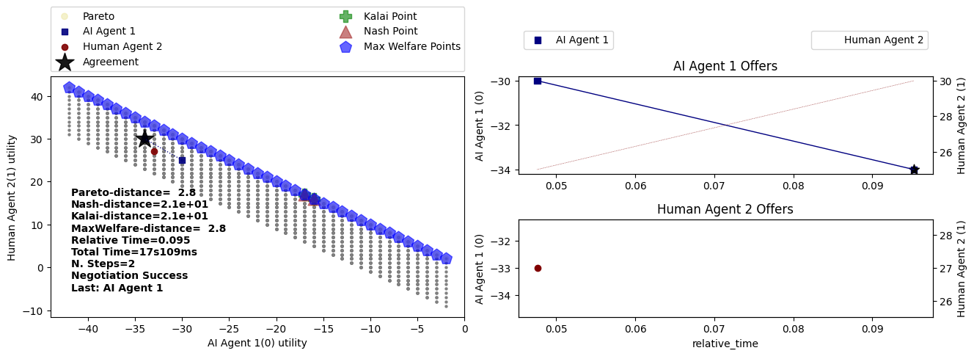
 |  |  |  |  |  |  |  |  |  |  |  |  |  |  | Accepted
Run 4 |  |  |  |  |  |  |  |  |  |  |  |  |  |  |  |  |  |  |  |  |  |  | Price | Quantity | Delivery Time
 | Human - Buyer |  |  | AI - Seller |  |  |  |  |  |  |  |  |  |  |  | Price | Quantity | Delivery Time |  |  |  | Final outcome: | 17 | 10 | 4
Step | Price | Quantity | Delivery Time | Price | Quantity | Delivery Time |  |  |  |  |  |  |  |  | Final outcome: | 26 | 7 | 4
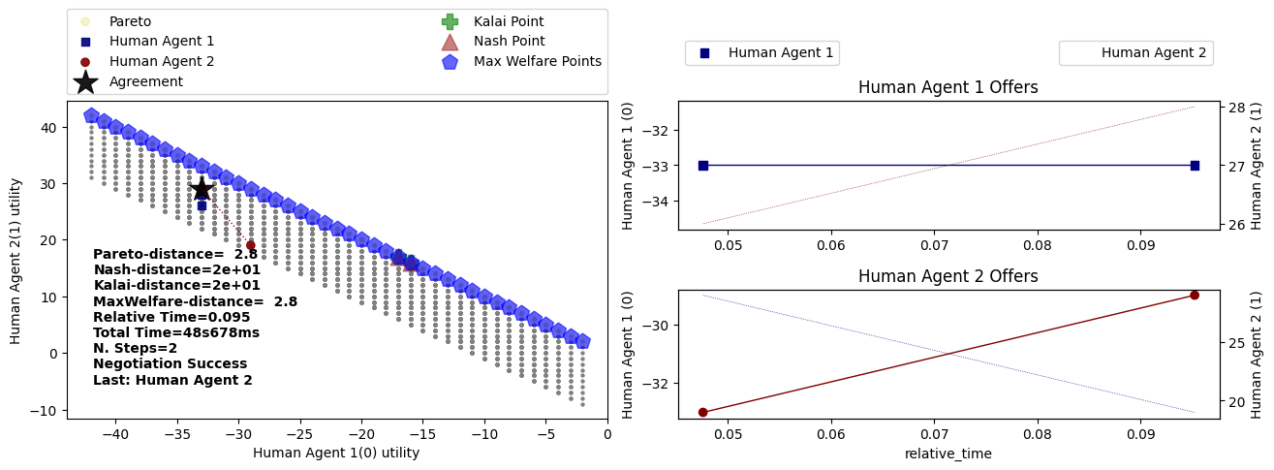
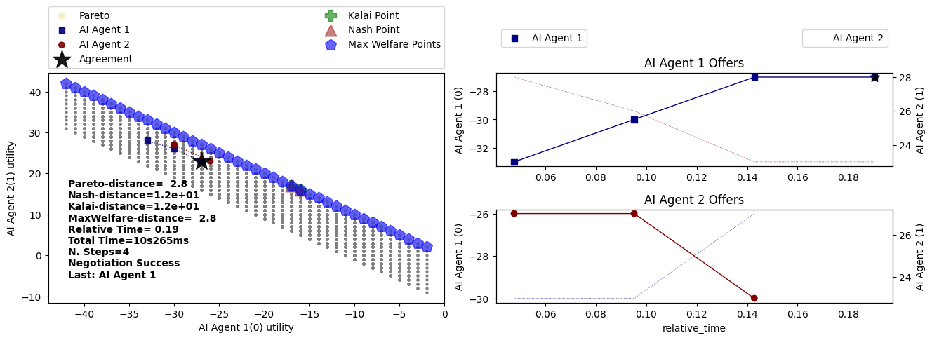
1 | 10 | 8 | 3
2 |  |  |  | 15 | 10 | 5
3 | 12 | 10 | 4
4 |  |  |  | 14 | 8 | 3
5 | 12 | 8 | 5
6 |  |  |  | 15 | 9 | 4
7 | 13 | 9 | 4
8 |  |  |  | 16 | 10 | 3
9 | 10 | 10 | 5
 |  |  |  | Accepted

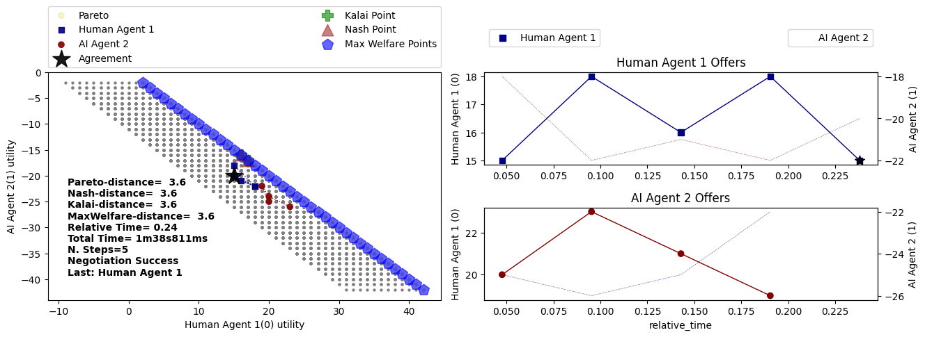
 |  | Price | Quantity | Delivery Time |  |  | Run 4
 | Final outcome: | 10 | 10 | 5 |  |  |  | AI - Buyer |  |  | Human - Seller
 |  |  |  |  |  |  | Step | Price | Quantity | Delivery Time | Price | Quantity | Delivery Time
 |  |  |  |  |  |  | 1 | 23 | 9 | 7 |  |  |  |  |  |  |  |  |  |  | Run 4
 |  |  |  |  |  |  | 2 |  |  |  | 26 | 8 | 7 | Run 4 |  |  |  |  |  |  |  | AI - Buyer |  |  | AI - Seller
 |  |  |  |  |  |  | 3 | 24 | 9 | 6 |  |  |  |  | Human - Buyer |  |  | Human - Seller |  |  | Step | Price | Quantity | Delivery Time | Price | Quantity | Delivery Time
 |  |  |  |  |  |  | 4 |  |  |  | 26 | 8 | 7 | Step | Price | Quantity | Delivery Time | Price | Quantity | Delivery Time | 1 |  |  |  | 25 | 8 | 5
 |  |  |  |  |  |  | 5 | 24 | 9 | 6 |  |  |  | 1 | 16 | 10 | 10 |  |  |  | 2 | 20 | 10 | 4
 |  |  |  |  |  |  | 6 |  |  |  | 26 | 9 | 6 | 2 |  |  |  | 18 | 7 | 4 | 3 |  |  |  | 23 | 9 | 3
 |  |  |  |  |  |  | 7 | 23 | 10 | 5 |  |  |  | 3 | 15 | 10 | 7 |  |  |  | 4 | 19 | 10 | 2
 |  |  |  |  |  |  | 8 |  |  |  | 26 | 8 | 5 | 4 |  |  |  | 14 | 10 | 6 | 5 |  |  |  | 22 | 8 | 3
 |  |  |  |  |  |  | 9 | 24 | 9 | 4 |  |  |  |  | Accepted |  |  |  |  |  | 6 | 18 | 10 | 2
 |  |  |  |  |  |  |  |  |  |  | Accepted |  |  |  |  |  |  |  |  |  |  |  |  |  | Accepted
 |  |  |  |  |  |  |  |  |  |  |  |  |  |  |  | Price | Quantity | Delivery Time
 |  |  |  |  |  |  |  |  | Price | Quantity | Delivery Time |  |  |  | Final outcome: | 14 | 10 | 6 |  |  |  |  | Price | Quantity | Delivery Time
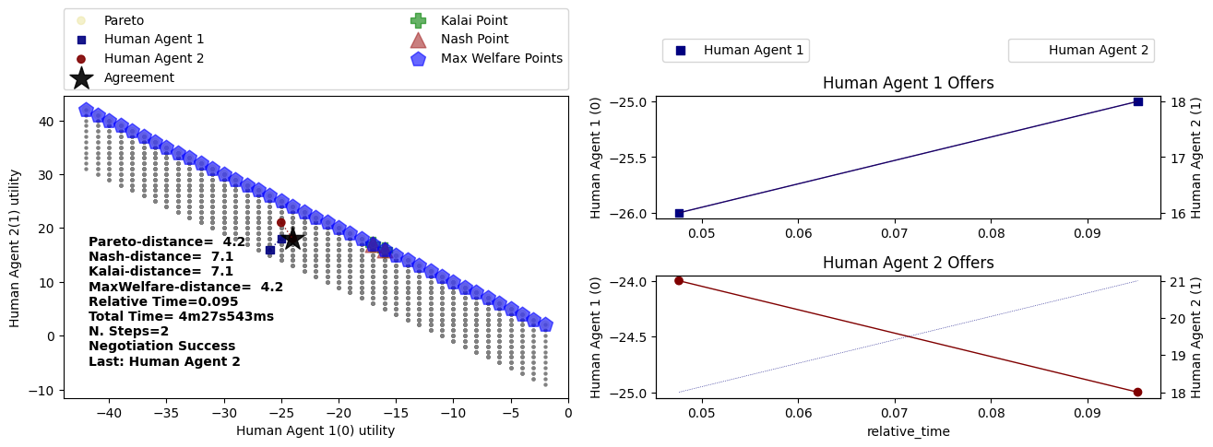
 |  |  |  |  |  |  |  | Final outcome: | 24 | 9 | 4 |  |  |  |  |  |  |  |  |  |  | Final outcome: | 21 | 9 | 2
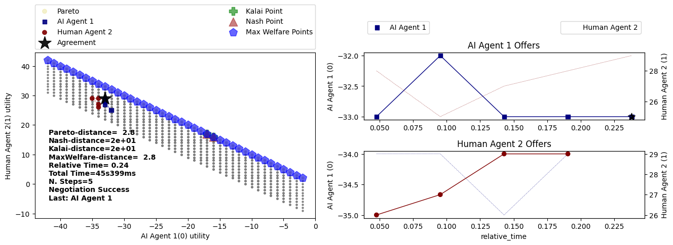
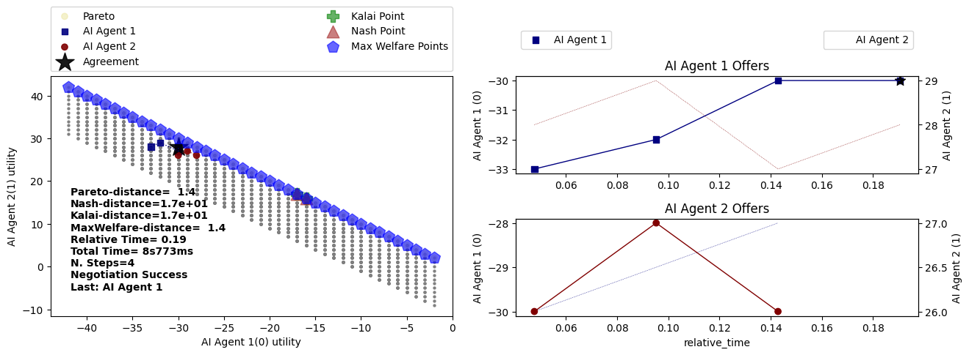
Run 5
 | Human - Buyer |  |  | AI - Seller
Step | Price | Quantity | Delivery Time | Price | Quantity | Delivery Time
1 | 25 | 9 | 7
2 |  |  |  | 20 | 10 | 5
3 | 23 | 10 | 5
4 |  |  |  | 20 | 8 | 4
5 | 23 | 8 | 4
6 |  |  |  | 20 | 9 | 3
 | Accepted

 |  | Price | Quantity | Delivery Time
 | Final outcome: | 20 | 9 | 3
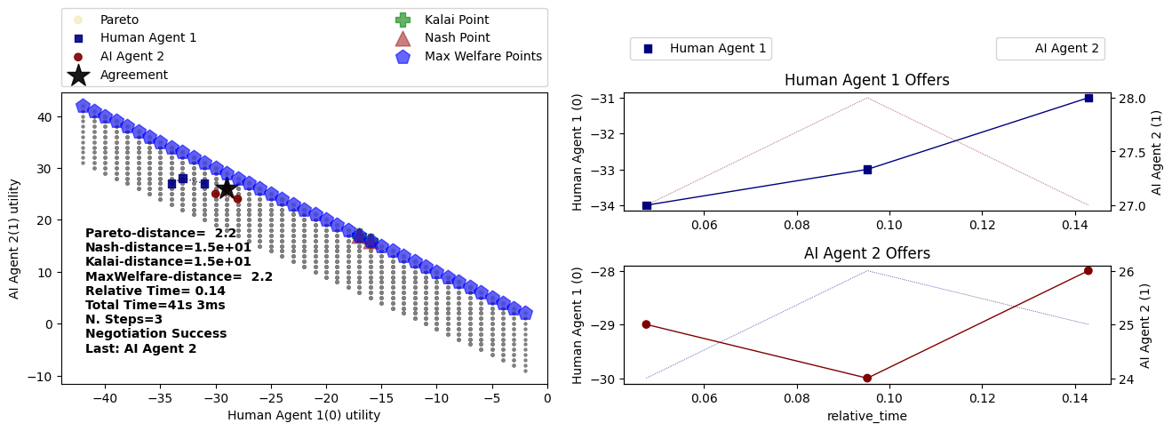

 |  |  |  |  |  |  |  |  |  |  |  |  |  |  |  |  |  |  |  |  | Run 6
 |  |  |  |  |  |  |  |  |  |  |  |  |  |  |  |  |  |  |  |  |  | AI - Buyer |  |  | AI - Seller
 |  |  |  |  |  |  |  |  |  |  |  |  |  |  |  |  |  |  |  |  | Step | Price | Quantity | Delivery Time | Price | Quantity | Delivery Time
 |  |  |  |  |  |  |  |  |  |  |  |  |  |  |  |  |  |  |  |  | 1 |  |  |  | 25 | 8 | 5
 |  |  |  |  |  |  |  |  |  |  |  |  |  |  |  |  |  |  |  |  | 2 | 20 | 10 | 3
 |  |  |  |  |  |  |  |  |  |  |  |  |  |  |  |  |  |  |  |  | 3 |  |  |  | 23 | 9 | 4
 |  |  |  |  |  |  |  |  |  |  |  |  |  |  |  |  |  |  |  |  | 4 | 20 | 10 | 3
 |  |  |  |  |  |  |  |  |  |  |  |  |  |  |  |  |  |  |  |  | 5 |  |  |  | 22 | 10 | 4
 |  |  |  |  |  |  |  |  |  |  |  |  |  |  |  |  |  |  |  |  |  | Accepted

 |  |  |  |  |  |  |  |  |  |  |  |  |  |  |  |  |  |  |  |  |  |  | Price | Quantity | Delivery Time
 |  |  |  |  |  |  |  |  |  |  |  |  |  |  |  |  |  |  |  |  |  | Final outcome: | 22 | 10 | 4
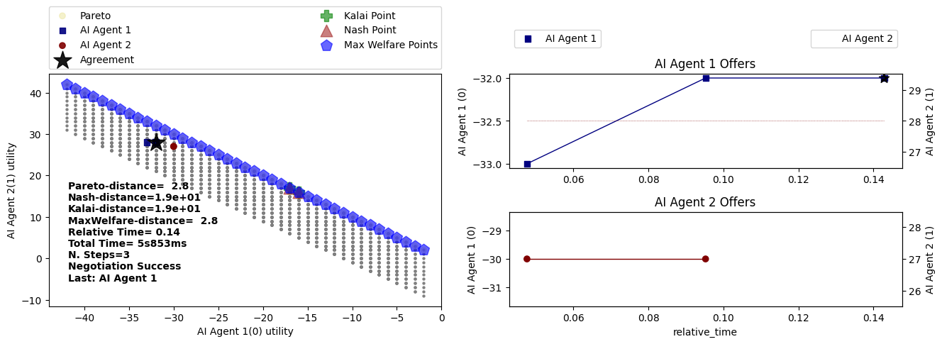

Run 6
 | Human - Buyer |  |  | AI - Seller
Step | Price | Quantity | Delivery Time | Price | Quantity | Delivery Time
1 | 18 | 10 | 10
2 |  |  |  | 15 | 10 | 5
3 | 20 | 10 | 8
4 |  |  |  | 17 | 10 | 5
5 | 18 | 10 | 5
 |  |  |  | Accepted

 |  | Price | Quantity | Delivery Time
 | Final outcome: | 18 | 10 | 5
 |  |  |  |  |  |  |  |  |  |  |  |  |  |  |  |  |  |  |  |  | Run 7
 |  |  |  |  |  |  |  |  |  |  |  |  |  |  |  |  |  |  |  |  |  | AI - Buyer |  |  | AI - Seller
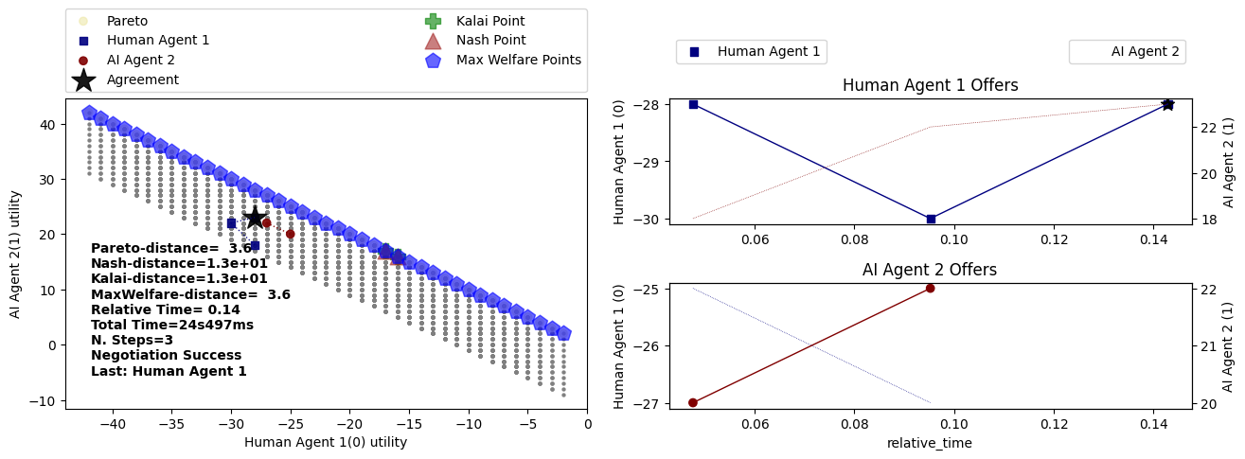
 |  |  |  |  |  |  |  |  |  |  |  |  |  |  |  |  |  |  |  |  | Step | Price | Quantity | Delivery Time | Price | Quantity | Delivery Time
 |  |  |  |  |  |  |  |  |  |  |  |  |  |  |  |  |  |  |  |  | 1 |  |  |  | 25 | 8 | 5
 |  |  |  |  |  |  |  |  |  |  |  |  |  |  |  |  |  |  |  |  | 2 | 20 | 10 | 3
 |  |  |  |  |  |  |  |  |  |  |  |  |  |  |  |  |  |  |  |  | 3 |  |  |  | 22 | 8 | 4
 |  |  |  |  |  |  |  |  |  |  |  |  |  |  |  |  |  |  |  |  | 4 | 18 | 10 | 3
 |  |  |  |  |  |  |  |  |  |  |  |  |  |  |  |  |  |  |  |  | 5 |  |  |  | 20 | 9 | 4
 |  |  |  |  |  |  |  |  |  |  |  |  |  |  |  |  |  |  |  |  |  | Accepted

 |  |  |  |  |  |  |  |  |  |  |  |  |  |  |  |  |  |  |  |  |  |  | Price | Quantity | Delivery Time
 |  |  |  |  |  |  |  |  |  |  |  |  |  |  |  |  |  |  |  |  |  | Final outcome: | 20 | 9 | 4
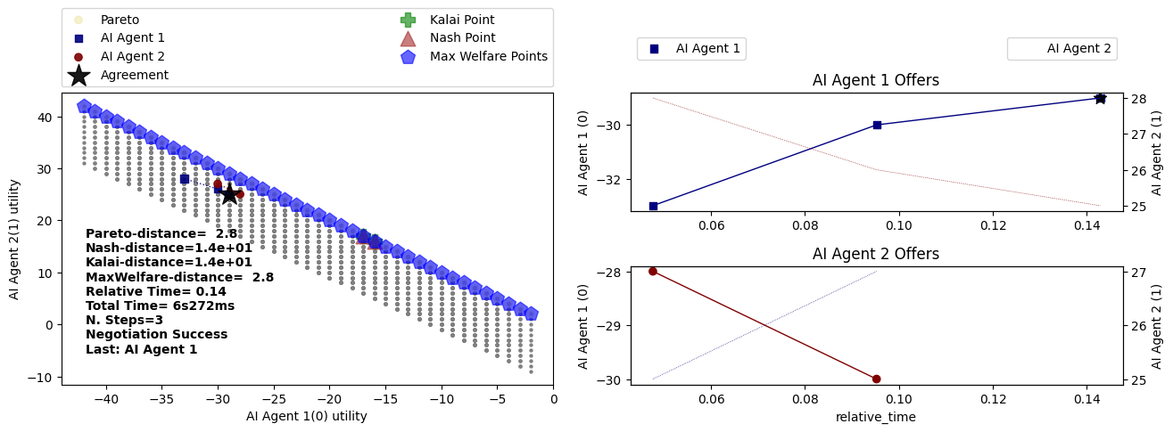

 |  |  |  |  |  |  |  |  |  |  |  |  |  |  |  |  |  |  |  |  | Run 8
 |  |  |  |  |  |  |  |  |  |  |  |  |  |  |  |  |  |  |  |  |  | AI - Buyer |  |  | AI - Seller
 |  |  |  |  |  |  |  |  |  |  |  |  |  |  |  |  |  |  |  |  | Step | Price | Quantity | Delivery Time | Price | Quantity | Delivery Time
 |  |  |  |  |  |  |  |  |  |  |  |  |  |  |  |  |  |  |  |  | 1 |  |  |  | 20 | 5 | 5
 |  |  |  |  |  |  |  |  |  |  |  |  |  |  |  |  |  |  |  |  | 2 | 15 | 7 | 3
 |  |  |  |  |  |  |  |  |  |  |  |  |  |  |  |  |  |  |  |  | 3 |  |  |  | 18 | 8 | 4
 |  |  |  |  |  |  |  |  |  |  |  |  |  |  |  |  |  |  |  |  | 4 | 16 | 9 | 3
 |  |  |  |  |  |  |  |  |  |  |  |  |  |  |  |  |  |  |  |  | 5 |  |  |  | 17 | 9 | 3
 |  |  |  |  |  |  |  |  |  |  |  |  |  |  |  |  |  |  |  |  |  | Accepted

 |  |  |  |  |  |  |  |  |  |  |  |  |  |  |  |  |  |  |  |  |  |  | Price | Quantity | Delivery Time
 |  |  |  |  |  |  |  |  |  |  |  |  |  |  |  |  |  |  |  |  |  | Final outcome: | 17 | 9 | 3

